ISO
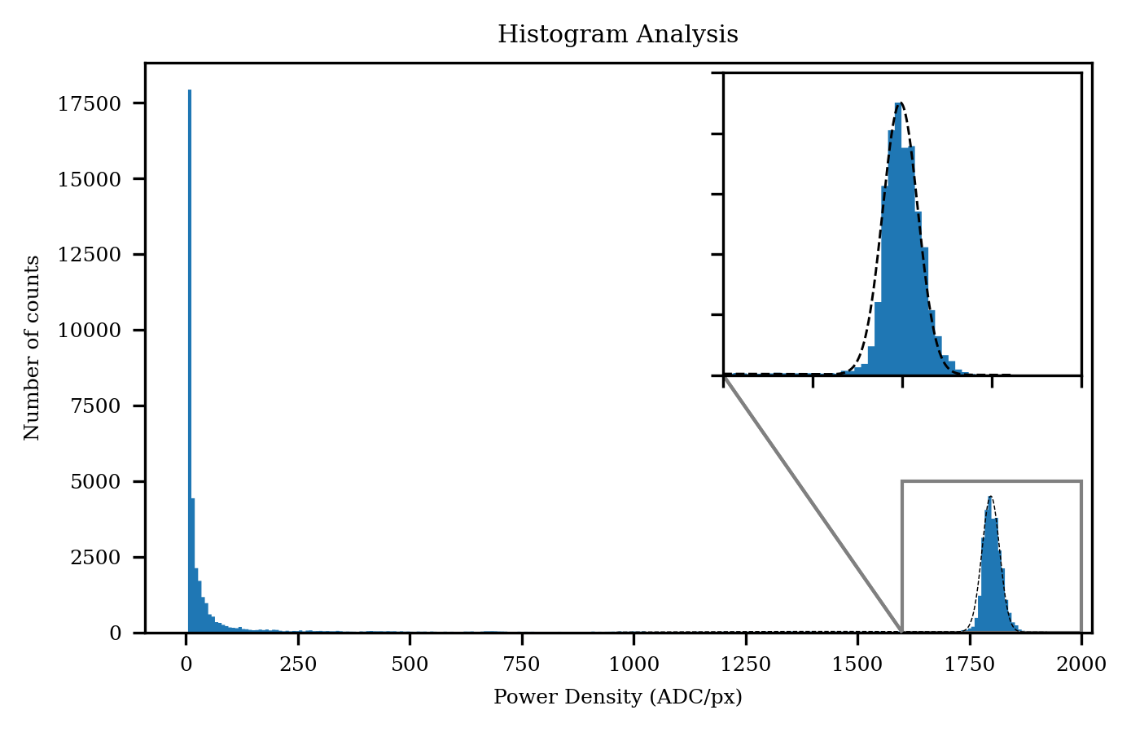
Item | Value | Unit | Remark
Beam power
Total power | 56,487,140.23 | ADC | Independent of the clip-level
Clip-level power | 52,701,367.25 | ADC | Clip-level: 80.0%

Beam power density
Maximum power density | 1,922.94 | ADC | Independent of the clip-level
Clip-level power density | 1,538.35 | ADC | Clip-level: 80.0%
Clip-level average power density | 1,793.97 | ADC | Clip-level: 80.0%

Beam position
Beam centroid x-axis | 18.08 | mm | Independent of the clip-level
Beam centroid y-axis | 17.54 | mm | Independent of the clip-level

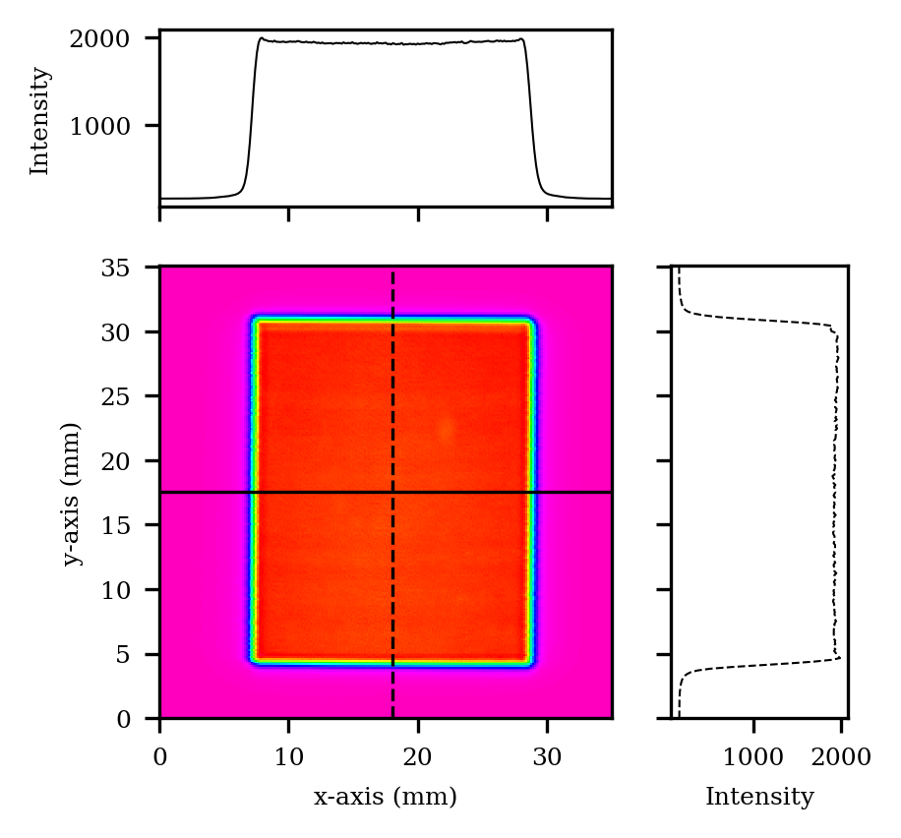
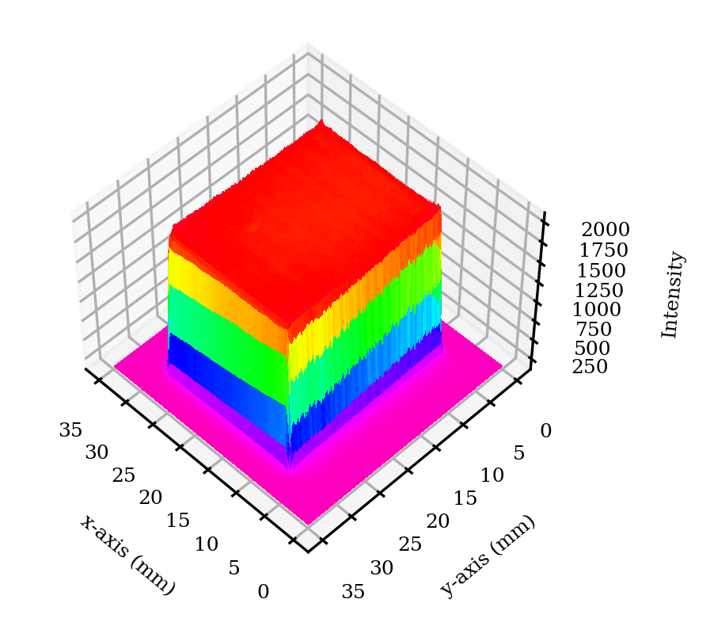
Effective beam size
Beam width x-axis | 25.50 | mm | Independent of the clip-level
Beam width y-axis | 31.15 | mm | Independent of the clip-level
Clip-level irradiation area | 33,545.00 | mm | Clip-level: 10.0%
Clip-level irradiation area | 29,377.00 | mm | Clip-level: 80.0%

Beam shape
Beam aspect ratio | 1.22 | N/A | Independent of the clip-level. Equals 1 for a perfect square
Fractional power | 0.93 | N/A | Clip-level: 80.0%.
Flatness factor | 0.93 | N/A | Clip-level: 80.0%. Equals 1 for a perfect flat top
Beam uniformity | 0.02 | N/A | Clip-level: 80.0%. Equals 0 for a perfect flat top with vertical edges
Plateau uniformity | 0.02 | N/A | Clip-level: 80.0%. Equals 0 for a perfect flat top
Edge steepness | 0.12 | N/A | Clip-level: 80.0%. Equals 0 for a perfect vertical edge

non ISO
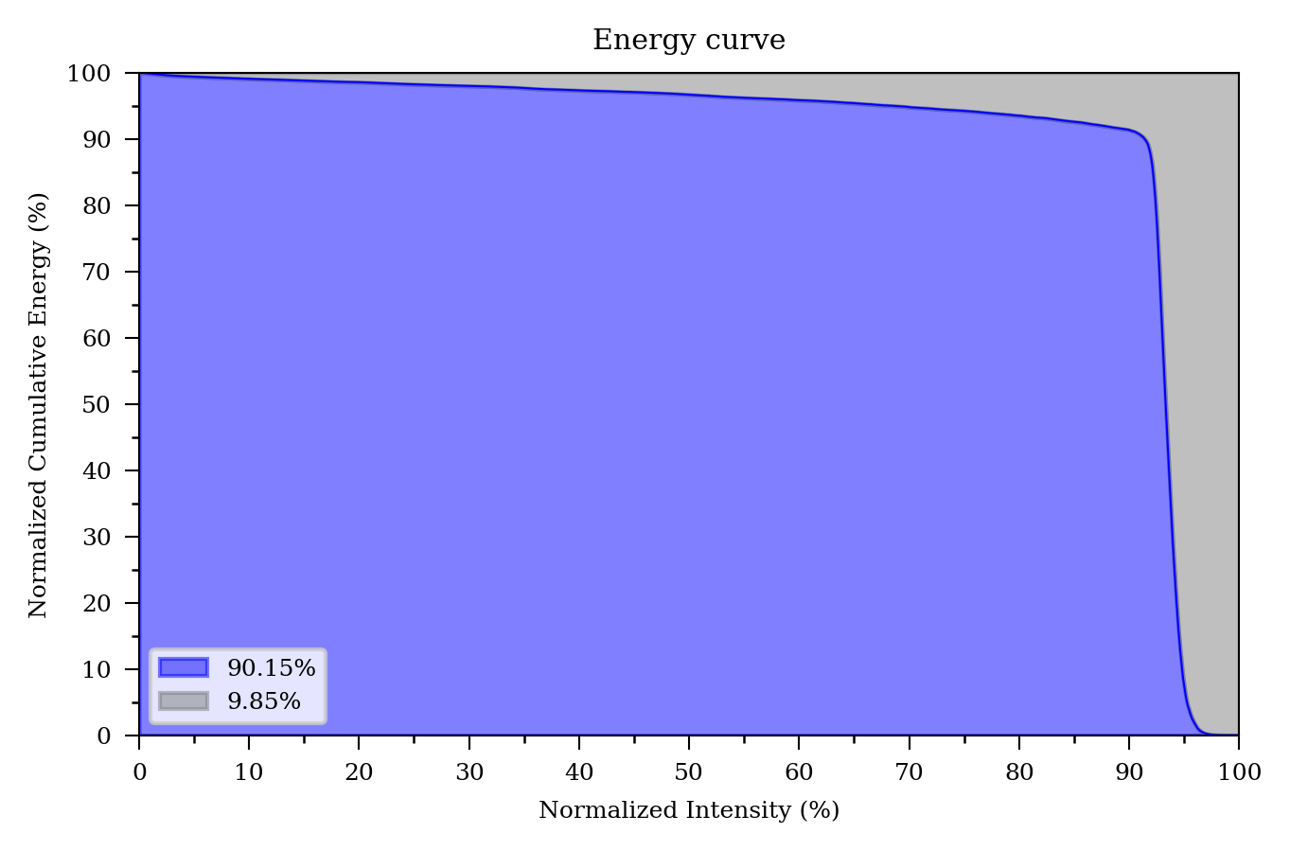
Item | Value | Unit | Remark
Effective beam size
Clip-level beam width x-axis | 21.10 | mm | Clip-level: 80.0%
Clip-level beam width y-axis | 26.17 | mm | Clip-level: 80.0%
Clip-level edge width x-axis | 0.88 | mm | Clip-level: 10.0% and 80.0%
Clip-level edge width y-axis | 0.73 | mm | Clip-level: 10.0% and 80.0%

Beam shape
Plateau uniformity | 0.03 | N/A | Clip-level: 80.0%. Equals 0 for a perfect flat top
Top-hat factor | 0.90 | N/A | Independent of the clip-level. Equals 1 for a perfect square

